Sheet1
General Supply and Demand Chart
 | Supply and Demand Chart
 | y-axis | x-axis | x-axis
 | Price of Notebook | Demand | Supply | Awais Afridi from Pakistan
 | 10 | 50 | 10 | 876741
 | 20 | 40 | 20 | Student @CafoscariUnive
 | 30 | 30 | 30
 | 40 | 20 | 40
 | 50 | 10 | 50

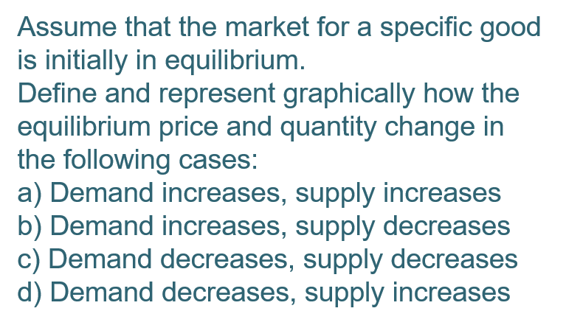
Demand Increases, Supply Increases
a) | Demand Increases |  | Supply Increases
 | y-axis | x-axis | x-axis
 | Price of Notebook | Demand | Supply
 | 10 | 11 | 10
 | 20 | 21 | 20
 | 30 | 31 | 30
 | 40 | 41 | 40
 | 50 | 51 | 50

Demand decreases, Supply decreases
b) | Demand increases |  | Supply decreases
 | y-axis | x-axis | x-axis
 | Price of Notebook | Demand | Supply
 | 10 | 10 | 50
 | 20 | 20 | 40 | D
 | 30 | 30 | 30
 | 40 | 40 | 20
 | 50 | 50 | 10

Demand decrease, Supply decreases
c) | Demand decrease |  | Supply decreases
 | y-axis | x-axis | x-axis
 | Price of Notebook | Demand | Supply
 | 10 | 50.5 | 50
 | 20 | 40.5 | 40
 | 30 | 30.5 | 30
 | 40 | 20.5 | 20
 | 50 | 10.55 | 10

Demand decreases, Supply Increases
d) | Demand decrease |  | Supply Increases
 | y-axis | x-axis | x-axis
 | Price of Notebook | Demand | Supply
 | 10 | 50.5 | 10
 | 20 | 40.5 | 20
 | 30 | 30.5 | 30
 | 40 | 20.5 | 40
 | 50 | 10.55 | 50

